Beaufort County
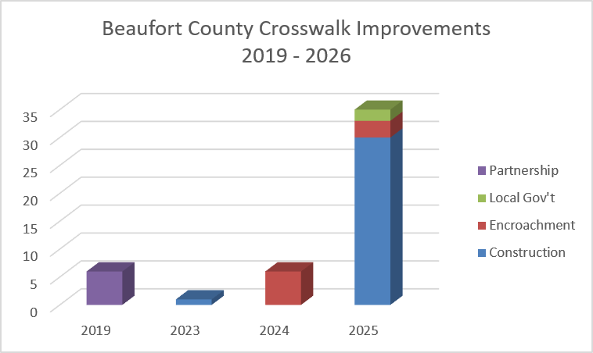
County | Intersection | Approximate Upgrade Year | # Crosswalks Installed / Upgraded | Upgrade Existing Signals to Countdown | Install New Ped Signals & Buttons | Upgrade Existing Ped Ramps | Install New Ped Ramps | Install New Crosswalks | Implementation Method
Beaufort | US 21 Bus (Boundary) & Bladen | 2019 | 2 |  | P | P |  |  | Partnership
Beaufort | US 21 & SC 170 | 2019 | 4 |  | P |  | P | P | Partnership
Beaufort | US 278 & Squire Pope Rd/Chamberlin Dr | 2023 | 1 |  | P |  | P | P | Construction
Beaufort | SC 170 & WK Alston Rd | 2024 | 4 |  | P |  | P | P | Encroachment
Beaufort | US 21 & Wrights Point Ln/Midtown Ave | 2024 | 2 |  | P |  | P | P | Encroachment
Beaufort | US 21 & Wrights Point Ln/Midtown Ave | 2025 | 1 |  | P |  | P | P | Encroachment
Beaufort | Broad River Rd & Joe Frazier Rd/Colonial Av | 2025 | 4 | P | P | P | P | P | Construction
Beaufort | SC 170 & Castle Rock Rd | 2025 | 4 |  | P |  | P | P | Construction
Beaufort | SC 128 & SC 170 | 2025 | 2 |  | P |  | P | P | Construction
Beaufort | US 21 & Mink Point Blvd | 2025 | 3 | P | P |  | P | P | Construction
Beaufort | Ribaut Rd & Duke St | 2025 | 4 | P |  | P |  |  | Construction
Beaufort | Ribaut Rd & North St | 2025 | 4 | P |  | P |  |  | Construction
Beaufort | Ribaut Rd & Reynolds St | 2025 | 4 | P | P | P |  | P | Construction
Beaufort | Ribaut Rd & Mossy Oaks Rd/Johnny Morrall C | 2025 | 4 |  | P | P | P | P | Construction
Beaufort | Ribaut Rd & Allison Rd | 2025 | 1 |  | P |  |  | P | Construction
Beaufort | US 21 & Airport Circle | 2025 | 2 |  | P |  | P | P | Encroachment
Beaufort | US 278/William Hilton Pkwy & Dillon Rd | 2025 | 2 |  |  | P | P |  | Local Gov't

Berkeley County
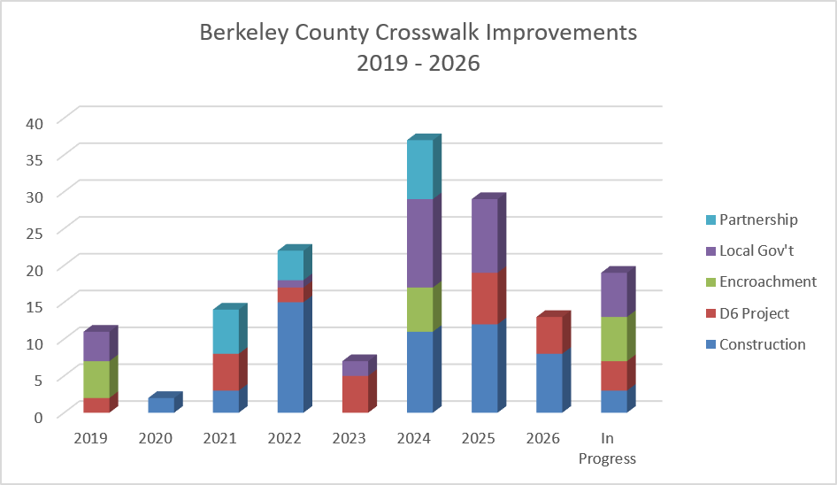
County | Intersection | Approximate Upgrade Year | # Crosswalks Installed / Upgraded | Upgrade Existing Signals to Countdown | Install New Ped Signals & Buttons | Upgrade Existing Ped Ramps | Install New Ped Ramps | Install New Crosswalks | Implementation Method
Berkeley | Yeamans Hall Rd & Carolyn/Loftis Dr | 2019 | 4 |  | P |  | P | P | Local Gov't
Berkeley | Crowfield Blvd & Westview Blvd | 2019 | 2 |  | P | P | P | P | D6 Project
Berkeley | River Landing Dr & Fairchild St | 2019 | 1 |  | P |  | P | P | Encroachment
Berkeley | US 17A & 2nd Ave (Goose Creek) | 2019 | 4 |  | P |  | P | P | Encroachment
Berkeley | Liberty Hall Rd & Adler Dr | 2020 | 2 |  | P |  | P | P | Construction
Berkeley | US 176 & Davenport St | 2021 | 1 | P |  |  |  |  | D6 Project
Berkeley | College Park Rd & Trinity Place | 2021 | 4 | P |  |  |  |  | D6 Project
Berkeley | Crowfield Blvd & Hamlet Cir | 2021 | 3 |  | P |  | P | P | Construction
Berkeley | US 52 & Altman St | 2021 | 2 |  | P |  |  | P | Partnership
Berkeley | US 17A/US 52 & Reid Hill Rd/Rembert Denni | 2021 | 4 |  | P |  |  |  | Partnership
Berkeley | US 176 & Thomason Blvd | 2022 | 2 |  | P |  | P | P | Construction
Berkeley | US 176 & Westview Blvd/Button Hall Ave | 2022 | 4 |  | P | P | P | P | Construction
Berkeley | US 176 & Central Ave | 2022 | 4 | P | P | P |  | P | Construction
Berkeley | US 176 & Old Moncks Corner Rd | 2022 | 4 |  | P | P |  | P | Construction
Berkeley | Hanahan/Murray & Highland Park/Railroad | 2022 | 2 |  | P |  | P | P | D6 Project
Berkeley | Royle Rd & Discovery Dr | 2022 | 1 |  | P |  | P | P | Local Gov't
Berkeley | US 17A & Cypress Gardens Rd | 2022 | 1 |  | P |  | P | P | Partnership
Berkeley | SC 6/Main St & Broughton Rd | 2022 | 2 |  | P | P | P | P | Partnership
Berkeley | US 17A & US 52 South Intersection | 2022 | 1 |  | P |  | P | P | Partnership
Berkeley | Murray Dr & Recess Rd/Fort Dr | 2022 | 1 |  |  |  | P |  | Construction
Berkeley | Railroad Ave & Mabeline Rd | 2023 | 1 |  | P |  | P | P | D6 Project
Berkeley | SC 27 & Autonomous Dr | 2023 | 2 |  | P |  | P | P | Local Gov't
Berkeley | Berlin G Myers Pkwy & Marymeade Dr | 2023 | 4 | P | P | P | P | P | D6 Project
Berkeley | US 176 & Myers Rd | 2024 | 1 |  | P |  | P | P | Construction
Berkeley | US 176 & Callen Blvd/Coleridge Dr | 2024 | 4 |  | P |  | P | P | Encroachment
Berkeley | River Landing Dr & Fairchild St | 2024 | 2 |  | P | P | P | P | Encroachment
Berkeley | US 52 & Old Mt Holly/Montague Plantation | 2024 | 2 |  | P |  | P | P | Local Gov't
Berkeley | US 17A & Brighton Park/Sangaree | 2024 | 2 |  | P |  | P | P | Construction
Berkeley | US 17A & Beauregard/Kate Ln | 2024 | 4 | P |  |  |  |  | Construction
Berkeley | US 17A & Old Summerville Rd/Royle Rd | 2024 | 4 | P |  |  |  |  | Construction
Berkeley | Rembert Dennis Blvd & Main St Ext/Sterling | 2024 | 4 |  | P |  | P | P | Partnership
Berkeley | Rembert Dennis Blvd & Stony Landing Rd | 2024 | 4 | P | P |  | P | P | Partnership
Berkeley | Clements Ferry Rd & Jack Primus Rd/Royal A | 2024 | 2 |  | P |  | P | P | Local Gov't
Berkeley | Clements Ferry Rd & Cainhoy Rd | 2024 | 2 |  | P |  | P | P | Local Gov't
Berkeley | Clements Ferry Rd & Point Hope Pkwy | 2024 | 4 |  | P |  | P | P | Local Gov't
Berkeley | SC 41 & Clements Ferry Rd | 2024 | 2 |  | P |  | P | P | Local Gov't
Berkeley | Henry Brown Blvd & Liberty Hall Rd | 2025 | 1 |  | P |  | P | P | Local Gov't
Berkeley | Rhett Ave & Yeamans Hall Rd | 2025 | 2 |  | P |  | P | P | D6 Project
Berkeley | Yeamans Hall Rd & Murray Dr | 2025 | 2 |  | P |  | P | P | D6 Project
Berkeley | US 176 & Crowfield Blvd | 2025 | 2 | P |  |  |  |  | D6 Project
Berkeley | US 17A & I-26 EB Ramps | 2025 | 1 | P |  |  |  |  | D6 Project
Berkeley | US 176 & Fairfax Blvd/Lowe's | 2025 | 4 | P | P |  | P | P | Construction
Berkeley | US 176 & Old Mt Holly | 2025 | 4 |  | P | P | P | P | Construction
Berkeley | US 17A & Carolina Ave (Moncks Corner) | 2025 | 4 | P | P |  | P | P | Construction
Berkeley | US 17A & US 176 | 2025 | 4 |  | P | P | P | P | Local Gov't
Berkeley | US 176 & Cane Bay Blvd/North Creek Dr | 2025 | 2 |  | P |  | P | P | Local Gov't
Berkeley | US 176 & Nexton Pkwy | 2025 | 3 |  | P |  | P | P | Local Gov't
Berkeley | US 176 & Davenport St | 2026 | 2 |  | P |  | P | P | D6 Project
Berkeley | Liberty Hall Rd & Lindy Creek Rd | 2026 | 3 |  | P |  | P | P | D6 Project
Berkeley | Red Bank Rd & Harbor Lake Dr | 2026 | 2 |  | P | P |  | P | Construction
Berkeley | Red Bank Rd & Garwood Rd/Bayshore Dr | 2026 | 2 |  | P | P |  | P | Construction
Berkeley | Red Bank Rd & N Rhett/Henry Brown Blvd | 2026 | 4 |  | P |  | P | P | Construction
Berkeley | Red Bank Rd & Eagle Rd | In Progress | 3 |  | P | P |  | P | Construction
Berkeley | SC 27 & Autonomous Dr | In Progress | 2 |  | P |  | P | P | Encroachment

Charleston County
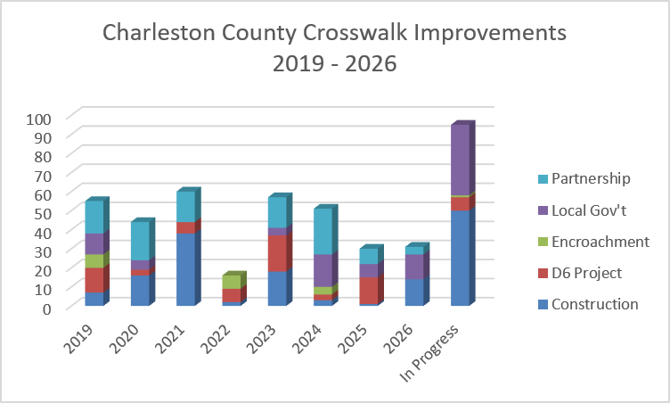
County | Intersection | Approximate Upgrade Year | # Crosswalks Installed / Upgraded | Upgrade Existing Signals to Countdown | Install New Ped Signals & Buttons | Upgrade Existing Ped Ramps | Install New Ped Ramps | Install New Crosswalks | Implementation Method
Charleston | Mall Dr & Lacross Rd | 2019 | 2 |  | P | P |  |  | Local Gov't
Charleston | Mall Dr & City Hall | 2019 | 2 |  | P | P |  | P | Local Gov't
Charleston | Mall Dr & I-26 Off Ramp | 2019 | 1 |  | P | P |  |  | Local Gov't
Charleston | N Rhett Ave & Braddock Ave | 2019 | 2 |  | P | P |  | P | D6 Project
Charleston | Remount Rd & Yeamans Hall Rd | 2019 | 4 |  | P | P |  | P | D6 Project
Charleston | US 52 (Rivers) & Reynolds Ave | 2019 | 4 | P | P |  |  |  | D6 Project
Charleston | SC 61 (Ashley River) & Wappoo Rd | 2019 | 1 |  | P |  |  |  | Construction
Charleston | SC 61 (Ashley River) & Wappoo Rd | 2019 | 1 |  | P |  | P | P | Local Gov't
Charleston | SC 171 (Old Towne) & Carriage | 2019 | 1 |  | P |  | P | P | Local Gov't
Charleston | SC 61 (Ashley River) & Parsonage | 2019 | 2 |  | P |  |  | P | Construction
Charleston | Savage Rd & Orleans Rd | 2019 | 4 |  | P |  |  | P | Construction
Charleston | Broad St & Ashley Ave | 2019 | 4 |  | P |  |  |  | Partnership
Charleston | Broad St & Rutledge Ave | 2019 | 4 |  | P |  |  |  | Partnership
Charleston | Calhoun St & Rutledge Ave | 2019 | 1 |  | P |  |  |  | Partnership
Charleston | Rutledge Ave & Huger St | 2019 | 4 |  | P |  |  |  | Partnership
Charleston | Rutledge Ave & Beaufain St | 2019 | 4 |  | P |  |  |  | Partnership
Charleston | US 52 (Rivers) & Old K-Mart / T-Mobile | 2019 | 1 |  | P |  | P | P | D6 Project
Charleston | Maybank Hwy & Main Rd | 2019 | 2 |  | P |  | P | P | D6 Project
Charleston | US 17 & Indigo Square (Mt Pleasant) | 2019 | 3 |  | P |  | P | P | Encroachment
Charleston | SC 41 & Wood Park/Planters Pointe | 2019 | 4 |  | P |  | P | P | Encroachment
Charleston | Ben Sawyer Blvd & Center St | 2019 | 4 |  | P |  | P | P | Local Gov't
Charleston | King St & Romney St | 2020 | 3 |  | P |  |  |  | Partnership
Charleston | King St & Huger St | 2020 | 4 |  | P |  |  |  | Partnership
Charleston | King St & Sumter St | 2020 | 2 |  | P |  |  |  | Partnership
Charleston | Meeting St & George St | 2020 | 4 |  | P |  |  |  | Partnership
Charleston | Meeting St & Woolfe St | 2020 | 4 |  | P |  |  |  | Partnership
Charleston | Dorchester Rd & Constitution Ave/Surrey Dr | 2020 | 3 | P | P |  |  | P | D6 Project
Charleston | Dorchester Rd & Industrial Ave/Veneer Dr | 2020 | 3 |  | P |  | P | P | Partnership
Charleston | Chuck Dawley Blvd & Myrick Rd/Lazy Ln | 2020 | 4 | P | P |  |  | P | Local Gov't
Charleston | US 17 & SC 7 | 2020 | 1 |  | P |  | P | P | Construction
Charleston | US 17 & I-526 WB Ramp | 2020 | 1 |  | P |  | P | P | Construction
Charleston | US 17 & Skylark Dr | 2020 | 1 |  | P |  | P | P | Construction
Charleston | SC 7 & Dupont | 2020 | 3 |  | P | P | P | P | Construction
Charleston | US 17 & Orleans Rd | 2020 | 2 | P | P | P | P | P | Construction
Charleston | US 17 & Dupont Rd | 2020 | 3 |  | P | P | P | P | Construction
Charleston | Remount Rd & Allison Ave/Attaway St | 2020 | 4 | P | P | P | P | P | Construction
Charleston | Rivers Ave & Meeting St/Durant Ave | 2020 | 1 |  | P |  | P | P | Construction
Charleston | Folly Rd & Albemarle Rd | 2020 | 1 |  | P |  | P | P | Local Gov't
Charleston | Coming St & Vanderhorst St | 2021 | 4 |  | P |  |  |  | Partnership
Charleston | Coming St & Radcliffe St | 2021 | 4 |  | P |  |  |  | Partnership
Charleston | Coming St & Morris St | 2021 | 4 |  | P |  |  |  | Partnership
Charleston | Rutledge Ave & Cleveland St | 2021 | 4 |  | P |  |  |  | Partnership
Charleston | Ashley Phosphate Rd & Palmetto Commerce | 2021 | 3 | P |  |  |  |  | D6 Project
Charleston | Ladson Rd & Miles Jamison Rd | 2021 | 2 | P | P |  | P | P | D6 Project
Charleston | Rivers Ave & Otranto Rd | 2021 | 1 |  | P |  |  | P | D6 Project
Charleston | US 17 & Dobbin Rd | 2021 | 4 |  | P | P |  | P | Construction
Charleston | US 17 & White Oak Dr | 2021 | 3 | P | P | P | P | P | Construction
Charleston | US 17 & Markfield Dr | 2021 | 3 |  | P | P |  | P | Construction
Charleston | US 17 & Parkwood Estates | 2021 | 4 |  | P | P |  | P | Construction
Charleston | US 17 & Coburg Rd | 2021 | 1 |  | P |  |  |  | Construction
Charleston | Paramount Dr & I-526 EB Ramp | 2021 | 3 |  | P | P |  | P | Construction
Charleston | Paramount Dr & I-526 WB Ramp | 2021 | 4 |  | P | P |  | P | Construction
Charleston | Dorchester Rd & Trailwood Dr | 2021 | 3 |  | P | P |  | P | Construction
Charleston | Dorchester Rd & Scarsdale Ave | 2021 | 3 |  | P | P | P | P | Construction
Charleston | Dorchester Rd & Montague Ave | 2021 | 2 |  | P | P |  |  | Construction
Charleston | Dorchester Rd & I-526 WB Ramp | 2021 | 2 |  | P | P |  | P | Construction
Charleston | Dorchester Rd & I-526 EB Ramp | 2021 | 2 |  | P | P |  | P | Construction
Charleston | Dorchester Rd & Paramount Dr | 2021 | 4 |  | P | P |  | P | Construction
Charleston | Mathis Ferry Rd & Whipple Rd | 2022 | 4 | P | P |  | P | P | Encroachment
Charleston | US 78 & Von Ohsen Rd | 2022 | 2 |  |  | P |  |  | Construction
Charleston | Coleman Blvd & Houston Northcutt Blvd | 2022 | 4 | P |  | P |  |  | D6 Project
Charleston | Coleman Blvd & Lansing Dr/Broadway St | 2022 | 3 | P |  |  |  |  | D6 Project
Charleston | US 17 & Bees Ferry Rd | 2022 | 3 |  | P |  | P | P | Encroachment
Charleston | Spruill Ave & Stromboli Ave | 2023 | 4 |  | P |  | P | P | Construction
Charleston | Stromboli Ave & Bainbridge Connector Rd | 2023 | 3 |  | P |  | P | P | Construction
Charleston | Bainbridge Connector Rd & Port Access On R | 2023 | 3 |  | P |  | P | P | Construction
Charleston | Bainbridge Connector Rd & Port Access Off R | 2023 | 1 |  | P |  | P | P | Construction
Charleston | Bees Ferry Rd & Sanders Rd | 2023 | 4 |  | P |  | P | P | Local Gov't
Charleston | US 17 & James Nelson Rd/Market Center Dr | 2023 | 4 | P |  |  |  |  | D6 Project
Charleston | US 17 & Montclair Dr/Belk Dr | 2023 | 4 | P |  |  |  |  | D6 Project
Charleston | Coleman Blvd & Pelzer Dr | 2023 | 4 | P |  |  |  |  | D6 Project
Charleston | Coleman Blvd & Mill St | 2023 | 3 | P |  |  |  |  | D6 Project
Charleston | Hungryneck Blvd & Venning Rd | 2023 | 1 | P |  |  |  |  | D6 Project
Charleston | US 17 & IOP Connector | 2023 | 1 | P |  |  |  |  | D6 Project
Charleston | Aviation Ave & I-26 WB Off Ramp | 2023 | 2 | P |  |  |  |  | D6 Project
Charleston | Dorchester Rd & Cross County Rd | 2023 | 4 |  | P |  | P | P | Partnership
Charleston | Dorchester Rd & W Hill Blvd | 2023 | 2 |  | P | P | P | P | Partnership
Charleston | Dorchester Rd & Apartment Blvd/Lambs | 2023 | 3 |  | P | P | P | P | Partnership
Charleston | Dorchester Rd & Zucker Middle | 2023 | 4 | P | P | P | P | P | Partnership
Charleston | Dorchester Rd & Michaux Pkwy | 2023 | 1 |  | P |  | P | P | Partnership
Charleston | Dorchester Rd & Foxwood Dr/Purcell Dr | 2023 | 2 |  | P |  | P | P | Partnership
Charleston | Folly Rd & Yeamans Rd/Formosa Dr | 2023 | 7 | P | P |  |  | P | Construction
Charleston | Montague Ave & Emmett Davis Ave | 2024 | 2 |  | P |  | P | P | Encroachment
Charleston | US 78 & Medical Plaza Dr/Excellence Way | 2024 | 4 | P |  |  |  |  | Local Gov't
Charleston | Spruill Ave & Buist Ave | 2024 | 4 |  | P | P | P | P | Partnership
Charleston | Glenn McConnell Pkwy & Mary Ader Ave/Wil | 2024 | 2 |  | P |  | P | P | Local Gov't
Charleston | Glenn McConnell Pkwy & Bairds Cove/Water | 2024 | 3 |  | P |  | P | P | Local Gov't
Charleston | Glenn McConnell Pkwy & Essex Farms Dr | 2024 | 1 |  | P |  | P | P | Local Gov't
Charleston | Bohicket Rd & River Rd | 2024 | 1 |  | P | P |  | P | Construction
Charleston | Maybank Hwy & Headquarters Plantation Dr | 2024 | 2 | P | P |  | P | P | Construction
Charleston | Bees Ferry Rd & Bluewater Way | 2024 | 2 |  | P |  | P | P | Encroachment
Charleston | Coleman Blvd & Magrath Darby/Patriots Point | 2024 | 3 | P |  |  |  |  | Local Gov't
Charleston | Rivers Ave & McMillan Ave | 2024 | 3 |  | P | P |  | P | Partnership
Charleston | Folly Rd & S Grimball Rd | 2024 | 3 |  |  |  | P | P | D6 Project
Charleston | Carner Ave & Burton Ln/Clements Ave | 2024 | 4 |  | P |  | P | P | Partnership
Charleston | Folly Rd & Fort Johnson Rd/Grimball Rd | 2024 | 3 |  | P |  | P | P | Partnership
Charleston | Dorchester Rd & I-26 EB/WB Ramps | 2024 | 6 |  | P | P | P | P | Partnership
Charleston | Long Point Rd & Whipple Rd | 2024 | 2 |  | P |  |  | P | Local Gov't
Charleston | Long Point Rd & Wando Park Blvd/Hobcaw B | 2024 | 2 |  | P |  | P | P | Local Gov't
Charleston | Chuck Dawley Blvd & Coleman Blvd | 2024 | 4 |  | P |  | P | P | Partnership
Charleston | Maybank Hwy & Headquarters Plantation Dr | 2025 | 1 | P | P |  | P | P | Construction
Charleston | SC 61 & Ashley Hall Plantation Rd | 2025 | 1 |  | P |  | P | P | Local Gov't
Charleston | Aviation Ave & Fain St | 2025 | 4 | P | P |  | P | P | D6 Project
Charleston | Aviation Ave & I-26 EB Off Ramp | 2025 | 1 | P |  |  |  |  | D6 Project
Charleston | US 17 & Farmfield Ave/W Oak Forest Dr | 2025 | 2 |  | P | P |  | P | D6 Project
Charleston | US 17 & White Oak Dr | 2025 | 1 |  | P | P |  | P | D6 Project
Charleston | US 17 & Markfield Dr | 2025 | 2 |  | P | P |  | P | D6 Project
Charleston | US 17 & Stocker Dr / Parish Dr | 2025 | 2 |  | P |  | P | P | Local Gov't
Charleston | Weber Blvd & I-26 WB Ramps | 2025 | 1 |  | P |  | P | P | Local Gov't
Charleston | Cosgrove Ave & Azalea Ave | 2025 | 4 |  | P | P | P | P | Partnership
Charleston | Azalea Dr & Industrial Ave | 2025 | 4 |  | P |  | P | P | Partnership
Charleston | Leeds Ave & Azalea Dr | 2025 | 2 |  | P | P | P | P | Local Gov't
Charleston | East Bay St & Columbus St | 2025 | 1 |  | P |  |  |  | Local Gov't
Charleston | SC 61 & Dogwood Rd | 2025 | 2 |  | P | P | P | P | D6 Project
Charleston | SC 61 & Magwood Dr | 2025 | 2 |  | P | P | P | P | D6 Project
Charleston | SC 61 & Croghan Spur/Ripley Point Dr | 2026 | 4 |  | P |  | P | P | Partnership
Charleston | SC 61 & Riverdale Dr/Colony Dr | 2026 | 2 |  | P | P |  | P | Local Gov't
Charleston | I-26 Eastbound Ramps & Remount Rd | 2026 | 2 |  | P |  | P | P | Local Gov't
Charleston | Courtenay Dr & Doughty St/Ralph Johnson Dr | 2026 | 9 | P | P | P |  | P | Local Gov't
Charleston | SC 162 & SC 165 (Hollywood) | In Progress | 4 |  | P | P |  | P | D6 Project
Charleston | Ashley Phosphate Rd & Plantation Rd/Peppermill Pkwy | 2026 | 4 |  | P |  |  | P | Construction
Charleston | Ashley Phosphate Rd & Pepperdam Ave | 2026 | 3 | P | P | P | P | P | Construction
Charleston | Ashley Phosphate Rd & Northside Dr | 2026 | 3 | P | P |  | P | P | Construction
Charleston | Ashley Phosphate Rd & I-26 Eastbound | 2026 | 1 | P |  |  |  |  | Construction
Charleston | Ashley Phosphate Rd & I-26 Westbound/Northwoods Blvd | 2026 | 3 | P | P |  | P | P | Construction
Charleston | SC 700 & Municipal Golf Course PHB/HAWK | In Progress | 1 |  | P |  | P | P | Local Gov't
Charleston | US 17 & SC 165 (Ravenel) | In Progress | 3 | P | P | P | P | P | D6 Project
Charleston | Rifle Range Rd & Long Grove Dr | In Progress | 4 | P | P | P | P | P | Local Gov't
Charleston | Long Point Rd & Belle Point Dr | In Progress | 1 |  | P |  |  | P | Local Gov't
Charleston | Calhoun St & Ashley Ave | In Progress | 4 | P | P | P |  |  | Construction
Charleston | Calhoun St & Rutledge Ave | In Progress | 3 |  | P | P | P | P | Construction
Charleston | Calhoun St & Coming St | In Progress | 6 | P | P | P |  | P | Construction
Charleston | Calhoun St & St Philip St | In Progress | 5 | P | P | P |  | P | Construction
Charleston | St Philip St & Morris St | In Progress | 4 |  | P |  |  |  | Construction
Charleston | St Philip St & Radcliffe St | In Progress | 4 |  | P | P |  |  | Construction
Charleston | St Philip St & Wentworth St | In Progress | 4 | P | P |  |  |  | Construction
Charleston | King St & Columbus St | In Progress | 2 |  | P | P | P | P | Construction
Charleston | King St & Cannon St | In Progress | 1 |  | P |  | P | P | Construction
Charleston | King St & Mary St/Morris St | In Progress | 1 |  | P |  | P | P | Construction
Charleston | King St & Calhoun St | In Progress | 6 |  | P |  |  | P | Construction
Charleston | Meeting St & Line St | In Progress | 4 |  | P |  |  | P | Construction
Charleston | Meeting St & Columbus St | In Progress | 1 | P |  |  |  |  | Construction
Charleston | Meeting St & Market St | In Progress | 2 |  | P |  |  | P | Construction
Charleston | Meeting St & Broad St | In Progress | 3 |  | P | P |  | P | Construction
Charleston | Six Mile Rd & Billy Swails Blvd | In Progress | 4 |  | P |  | P | P | Local Gov't
Charleston | Hamlin Rd & Billy Swails Blvd | In Progress | 4 |  | P |  | P | P | Local Gov't

Colleton County
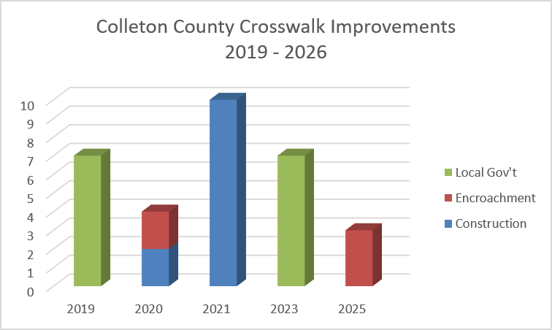
County | Intersection | Approximate Upgrade Year | # Crosswalks Installed / Upgraded | Upgrade Existing Signals to Countdown | Install New Ped Signals & Buttons | Upgrade Existing Ped Ramps | Install New Ped Ramps | Install New Crosswalks | Implementation Method
Colleton | US 17A/SC 63 (Jeffries) & SC 63 (Hampton) | 2019 | 3 |  | P | P | P | P | Local Gov't
Colleton | US 17A/SC 63 (Jeffries) & Washington St | 2019 | 4 | P | P | P |  | P | Local Gov't
Colleton | US 15 & SC 64 Bells Hwy | 2020 | 2 |  | P |  | P | P | Encroachment
Colleton | SC 64 (Robertson) & SC 64 Byp (Bells) | 2020 | 2 | P |  |  |  |  | Construction
Colleton | US 17A & Lemacks St | 2021 | 4 |  | P |  |  | P | Construction
Colleton | SC63 Hampton St & SC 64 Robertson Blvd | 2021 | 4 | P | P |  |  |  | Construction
Colleton | SC 64 Bells Hwy & Upchurch Ln | 2021 | 2 |  | P |  | P | P | Construction
Colleton | US 15/SC 64 & Ireland Creek Dr/Sweat St | 2023 | 3 |  |  |  |  |  | Local Gov't
Colleton | US 15/Jeffries & US 17A/Wichman St | 2023 | 2 | P |  |  |  |  | Local Gov't
Colleton | US 15 & SC 64 Bells Hwy | 2023 | 2 |  | P |  | P | P | Local Gov't
Colleton | I-95 SB & SC 64/Bells Hwy | 2025 | 3 |  | P |  | P | P | Encroachment

Dorchester County
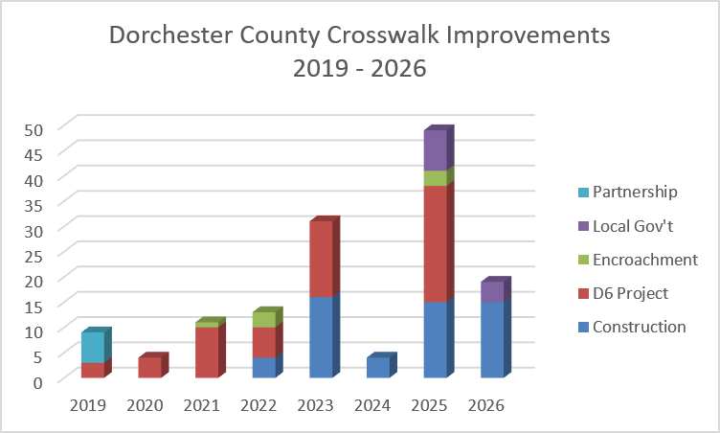
County | Intersection | Approximate Upgrade Year | # Crosswalks Installed / Upgraded | Upgrade Existing Signals to Countdown | Install New Ped Signals & Buttons | Upgrade Existing Ped Ramps | Install New Ped Ramps | Install New Crosswalks | Implementation Method
Dorchester | SC 642 & Club Course Dr | 2019 | 2 | P | P | P |  |  | Partnership
Dorchester | Central Ave & Old Orangeburg Rd | 2019 | 2 |  | P |  | P | P | D6 Project
Dorchester | Cedar St & Richardson Ave | 2019 | 4 | P |  |  |  |  | Partnership
Dorchester | Old Trolley Rd & Beverly Dr | 2019 | 1 |  | P |  | P | P | D6 Project
Dorchester | SC 642 & Ashley Phosphate Rd | 2020 | 4 |  | P |  | P | P | D6 Project
Dorchester | SC 165 & Sawmill Plaza | 2021 | 2 | P |  |  |  |  | D6 Project
Dorchester | Old Trolley Rd & Miles Jamison Rd | 2021 | 4 | P |  | P |  |  | D6 Project
Dorchester | Ladson Rd & Limehouse Dr | 2021 | 1 |  | P |  |  | P | Encroachment
Dorchester | US 17A & 9th North St | 2021 | 4 | P |  |  |  |  | D6 Project
Dorchester | Dorchester Rd & Appian Way | 2022 | 4 |  | P |  | P | P | D6 Project
Dorchester | Dorchester Rd & Beacon Hill / Patron Place | 2022 | 2 |  | P |  | P | P | D6 Project
Dorchester | Dorchester Rd & Trump St | 2022 | 3 |  | P |  | P | P | Encroachment
Dorchester | Gahagan Rd & Miles Jamison Rd/Dewees Ln | 2022 | 4 |  | P |  | P | P | Construction
Dorchester | Dorchester Rd & Lincoln Patriot Blvd | 2023 | 4 | P | P | P | P | P | D6 Project
Dorchester | Dorchester Rd & Wescott Blvd | 2023 | 1 |  | P | P |  | P | D6 Project
Dorchester | Orangeburg Rd & Tupperway Dr/Embassy Dr | 2023 | 2 |  | P |  | P | P | D6 Project
Dorchester | US 17A & 1st North St | 2023 | 4 |  | P | P | P | P | D6 Project
Dorchester | US 17A & 2nd North St | 2023 | 4 |  | P | P | P | P | D6 Project
Dorchester | US 78 & Bryan St / Iris St | 2023 | 4 | P | P | P | P | P | Construction
Dorchester | Trolley Rd & Stallsville Rd | 2023 | 4 | P |  | P |  |  | Construction
Dorchester | Central Ave & Parsons Rd | 2023 | 4 | P |  |  | P |  | Construction
Dorchester | Trolley Rd & Savannah Round/Quail Arbor | 2023 | 4 | P |  |  |  |  | Construction
Dorchester | Ladson Rd & Midland Pkwy/Monroe Dr | 2024 | 4 | P |  | P |  |  | Construction
Dorchester | Dorchester Rd & Parlor Dr/Shaftesbury Ln | 2025 | 4 |  | P |  | P | P | Construction
Dorchester | Dorchester Rd & Ladson Rd | 2025 | 1 |  | P |  | P | P | Construction
Dorchester | Berlin G Myers Pkwy & E 3rd N St | 2025 | 4 |  | P | P | P | P | D6 Project
Dorchester | Dorchester Rd & Franchise St/Archdale Blvd | 2025 | 4 |  | P |  | P | P | D6 Project
Dorchester | Dorchester Rd & Middleton Pkwy/Nantucket R | 2025 | 2 |  | P |  | P | P | D6 Project
Dorchester | Central Ave & W Butternut Rd | 2025 | 2 |  | P |  | P | P | D6 Project
Dorchester | Berlin G Myers Pkwy & US 17A | 2025 | 1 |  | P |  | P | P | Construction
Dorchester | Berlin G Myers Pkwy & Orangeburg Rd | 2025 | 1 |  | P |  | P | P | Construction
Dorchester | Berlin G Myers Pkwy & Luden Dr | 2025 | 2 |  | P |  | P | P | Construction
Dorchester | Berlin G Myers Pkwy & US 17A | 2025 | 3 |  | P |  | P | P | Encroachment
Dorchester | Berlin G Myers Pkwy & Carolina Ave | 2025 | 4 |  | P |  | P | P | Construction
Dorchester | Berlin G Myers Pkwy & Greenwave Blvd | 2025 | 2 |  | P |  | P | P | Construction
Dorchester | Central Ave & Carolina Ave | 2025 | 4 |  | P |  | P | P | Local Gov't
Dorchester | US 17A & Hutson St/Luden Dr | 2025 | 4 |  | P | P | P | P | D6 Project
Dorchester | US 17A & Orangeburg Rd | 2025 | 4 | P | P | P | P | P | D6 Project
Dorchester | Berlin G Myers & Gahagan Rd | 2025 | 3 |  | P |  | P | P | D6 Project
Dorchester | W Richardson Ave & Maple St | 2025 | 4 |  | P |  | P | P | Local Gov't
Dorchester | US 78 & Maple St | 2026 | 4 |  | P |  | P | P | Local Gov't
Dorchester | Ashley Phosphate Rd & Lincoln Patriot Blvd | 2026 | 4 | P |  | P |  |  | Construction
Dorchester | Ashley Phosphate Rd & Dorchester Manor/Tuskegee | 2026 | 4 |  | P |  | P | P | Construction
Dorchester | Ashley Phosphate PHB near Stratton Dr | 2026 | 1 |  | P |  | P | P | Construction
Dorchester | Ashley Phosphate Rd & Windsor Hill Blvd | 2026 | 2 | P |  |  |  |  | Construction
Dorchester | Ashley Phosphate Rd & Pepperidge Dr/Stall HS | 2026 | 4 | P | P | P |  | P | Construction

Jasper County
County | Intersection | Approximate Upgrade Year | # Crosswalks Installed / Upgraded | Upgrade Existing Signals to Countdown | Install New Ped Signals & Buttons | Upgrade Existing Ped Ramps | Install New Ped Ramps | Install New Crosswalks | Implementation Method
Jasper | US 278 & Medical Center Dr | 2023 | 4 |  | P |  | P | P | Local Gov't

Jasper County Crosswalk Improvements 2019 - 2026
 | Local Gov't
2023 | 4

