Dorchester County
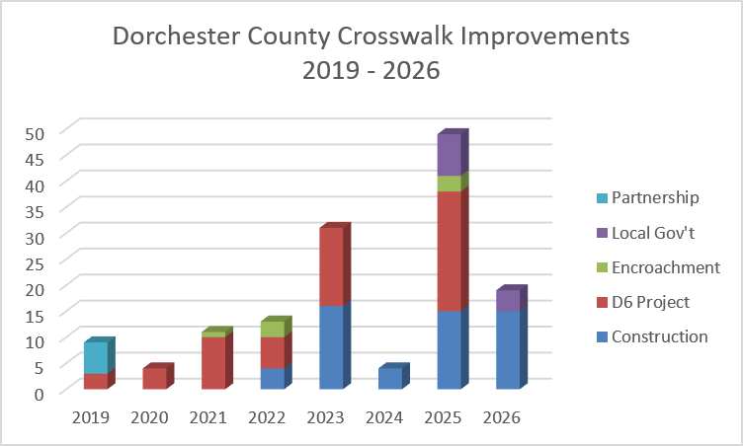
County | Intersection | Approximate Upgrade Year | # Crosswalks Installed / Upgraded | Upgrade Existing Signals to Countdown | Install New Ped Signals & Buttons | Upgrade Existing Ped Ramps | Install New Ped Ramps | Install New Crosswalks | Implementation Method
Dorchester | SC 642 & Club Course Dr | 2019 | 2 | P | P | P |  |  | Partnership
Dorchester | Central Ave & Old Orangeburg Rd | 2019 | 2 |  | P |  | P | P | D6 Project
Dorchester | Cedar St & Richardson Ave | 2019 | 4 | P |  |  |  |  | Partnership
Dorchester | Old Trolley Rd & Beverly Dr | 2019 | 1 |  | P |  | P | P | D6 Project
Dorchester | SC 642 & Ashley Phosphate Rd | 2020 | 4 |  | P |  | P | P | D6 Project
Dorchester | SC 165 & Sawmill Plaza | 2021 | 2 | P |  |  |  |  | D6 Project
Dorchester | Old Trolley Rd & Miles Jamison Rd | 2021 | 4 | P |  | P |  |  | D6 Project
Dorchester | Ladson Rd & Limehouse Dr | 2021 | 1 |  | P |  |  | P | Encroachment
Dorchester | US 17A & 9th North St | 2021 | 4 | P |  |  |  |  | D6 Project
Dorchester | Dorchester Rd & Appian Way | 2022 | 4 |  | P |  | P | P | D6 Project
Dorchester | Dorchester Rd & Beacon Hill / Patron Place | 2022 | 2 |  | P |  | P | P | D6 Project
Dorchester | Dorchester Rd & Trump St | 2022 | 3 |  | P |  | P | P | Encroachment
Dorchester | Gahagan Rd & Miles Jamison Rd/Dewees Ln | 2022 | 4 |  | P |  | P | P | Construction
Dorchester | Dorchester Rd & Lincoln Patriot Blvd | 2023 | 4 | P | P | P | P | P | D6 Project
Dorchester | Dorchester Rd & Wescott Blvd | 2023 | 1 |  | P | P |  | P | D6 Project
Dorchester | Orangeburg Rd & Tupperway Dr/Embassy Dr | 2023 | 2 |  | P |  | P | P | D6 Project
Dorchester | US 17A & 1st North St | 2023 | 4 |  | P | P | P | P | D6 Project
Dorchester | US 17A & 2nd North St | 2023 | 4 |  | P | P | P | P | D6 Project
Dorchester | US 78 & Bryan St / Iris St | 2023 | 4 | P | P | P | P | P | Construction
Dorchester | Trolley Rd & Stallsville Rd | 2023 | 4 | P |  | P |  |  | Construction
Dorchester | Central Ave & Parsons Rd | 2023 | 4 | P |  |  | P |  | Construction
Dorchester | Trolley Rd & Savannah Round/Quail Arbor | 2023 | 4 | P |  |  |  |  | Construction
Dorchester | Ladson Rd & Midland Pkwy/Monroe Dr | 2024 | 4 | P |  | P |  |  | Construction
Dorchester | Dorchester Rd & Parlor Dr/Shaftesbury Ln | 2025 | 4 |  | P |  | P | P | Construction
Dorchester | Dorchester Rd & Ladson Rd | 2025 | 1 |  | P |  | P | P | Construction
Dorchester | Berlin G Myers Pkwy & E 3rd N St | 2025 | 4 |  | P | P | P | P | D6 Project
Dorchester | Dorchester Rd & Franchise St/Archdale Blvd | 2025 | 4 |  | P |  | P | P | D6 Project
Dorchester | Dorchester Rd & Middleton Pkwy/Nantucket R | 2025 | 2 |  | P |  | P | P | D6 Project
Dorchester | Central Ave & W Butternut Rd | 2025 | 2 |  | P |  | P | P | D6 Project
Dorchester | Berlin G Myers Pkwy & US 17A | 2025 | 1 |  | P |  | P | P | Construction
Dorchester | Berlin G Myers Pkwy & Orangeburg Rd | 2025 | 1 |  | P |  | P | P | Construction
Dorchester | Berlin G Myers Pkwy & Luden Dr | 2025 | 2 |  | P |  | P | P | Construction
Dorchester | Berlin G Myers Pkwy & US 17A | 2025 | 3 |  | P |  | P | P | Encroachment
Dorchester | Berlin G Myers Pkwy & Carolina Ave | 2025 | 4 |  | P |  | P | P | Construction
Dorchester | Berlin G Myers Pkwy & Greenwave Blvd | 2025 | 2 |  | P |  | P | P | Construction
Dorchester | Central Ave & Carolina Ave | 2025 | 4 |  | P |  | P | P | Local Gov't
Dorchester | US 17A & Hutson St/Luden Dr | 2025 | 4 |  | P | P | P | P | D6 Project
Dorchester | US 17A & Orangeburg Rd | 2025 | 4 | P | P | P | P | P | D6 Project
Dorchester | Berlin G Myers & Gahagan Rd | 2025 | 3 |  | P |  | P | P | D6 Project
Dorchester | W Richardson Ave & Maple St | 2025 | 4 |  | P |  | P | P | Local Gov't
Dorchester | US 78 & Maple St | 2026 | 4 |  | P |  | P | P | Local Gov't
Dorchester | Ashley Phosphate Rd & Lincoln Patriot Blvd | 2026 | 4 | P |  | P |  |  | Construction
Dorchester | Ashley Phosphate Rd & Dorchester Manor/Tuskegee | 2026 | 4 |  | P |  | P | P | Construction
Dorchester | Ashley Phosphate PHB near Stratton Dr | 2026 | 1 |  | P |  | P | P | Construction
Dorchester | Ashley Phosphate Rd & Windsor Hill Blvd | 2026 | 2 | P |  |  |  |  | Construction
Dorchester | Ashley Phosphate Rd & Pepperidge Dr/Stall HS | 2026 | 4 | P | P | P |  | P | Construction

