Colleton County
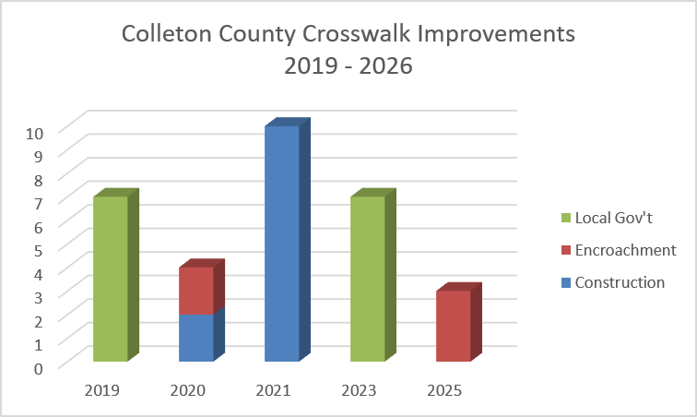
County | Intersection | Approximate Upgrade Year | # Crosswalks Installed / Upgraded | Upgrade Existing Signals to Countdown | Install New Ped Signals & Buttons | Upgrade Existing Ped Ramps | Install New Ped Ramps | Install New Crosswalks | Implementation Method
Colleton | US 17A/SC 63 (Jeffries) & SC 63 (Hampton) | 2019 | 3 |  | P | P | P | P | Local Gov't
Colleton | US 17A/SC 63 (Jeffries) & Washington St | 2019 | 4 | P | P | P |  | P | Local Gov't
Colleton | US 15 & SC 64 Bells Hwy | 2020 | 2 |  | P |  | P | P | Encroachment
Colleton | SC 64 (Robertson) & SC 64 Byp (Bells) | 2020 | 2 | P |  |  |  |  | Construction
Colleton | US 17A & Lemacks St | 2021 | 4 |  | P |  |  | P | Construction
Colleton | SC63 Hampton St & SC 64 Robertson Blvd | 2021 | 4 | P | P |  |  |  | Construction
Colleton | SC 64 Bells Hwy & Upchurch Ln | 2021 | 2 |  | P |  | P | P | Construction
Colleton | US 15/SC 64 & Ireland Creek Dr/Sweat St | 2023 | 3 |  |  |  |  |  | Local Gov't
Colleton | US 15/Jeffries & US 17A/Wichman St | 2023 | 2 | P |  |  |  |  | Local Gov't
Colleton | US 15 & SC 64 Bells Hwy | 2023 | 2 |  | P |  | P | P | Local Gov't
Colleton | I-95 SB & SC 64/Bells Hwy | 2025 | 3 |  | P |  | P | P | Encroachment

