Berkeley County
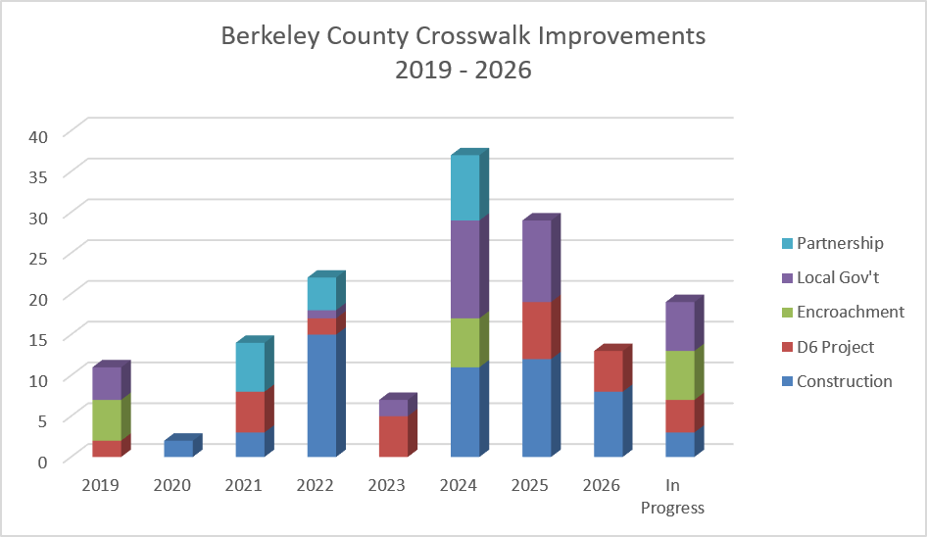
County | Intersection | Approximate Upgrade Year | # Crosswalks Installed / Upgraded | Upgrade Existing Signals to Countdown | Install New Ped Signals & Buttons | Upgrade Existing Ped Ramps | Install New Ped Ramps | Install New Crosswalks | Implementation Method
Berkeley | Yeamans Hall Rd & Carolyn/Loftis Dr | 2019 | 4 |  | P |  | P | P | Local Gov't
Berkeley | Crowfield Blvd & Westview Blvd | 2019 | 2 |  | P | P | P | P | D6 Project
Berkeley | River Landing Dr & Fairchild St | 2019 | 1 |  | P |  | P | P | Encroachment
Berkeley | US 17A & 2nd Ave (Goose Creek) | 2019 | 4 |  | P |  | P | P | Encroachment
Berkeley | Liberty Hall Rd & Adler Dr | 2020 | 2 |  | P |  | P | P | Construction
Berkeley | US 176 & Davenport St | 2021 | 1 | P |  |  |  |  | D6 Project
Berkeley | College Park Rd & Trinity Place | 2021 | 4 | P |  |  |  |  | D6 Project
Berkeley | Crowfield Blvd & Hamlet Cir | 2021 | 3 |  | P |  | P | P | Construction
Berkeley | US 52 & Altman St | 2021 | 2 |  | P |  |  | P | Partnership
Berkeley | US 17A/US 52 & Reid Hill Rd/Rembert Denni | 2021 | 4 |  | P |  |  |  | Partnership
Berkeley | US 176 & Thomason Blvd | 2022 | 2 |  | P |  | P | P | Construction
Berkeley | US 176 & Westview Blvd/Button Hall Ave | 2022 | 4 |  | P | P | P | P | Construction
Berkeley | US 176 & Central Ave | 2022 | 4 | P | P | P |  | P | Construction
Berkeley | US 176 & Old Moncks Corner Rd | 2022 | 4 |  | P | P |  | P | Construction
Berkeley | Hanahan/Murray & Highland Park/Railroad | 2022 | 2 |  | P |  | P | P | D6 Project
Berkeley | Royle Rd & Discovery Dr | 2022 | 1 |  | P |  | P | P | Local Gov't
Berkeley | US 17A & Cypress Gardens Rd | 2022 | 1 |  | P |  | P | P | Partnership
Berkeley | SC 6/Main St & Broughton Rd | 2022 | 2 |  | P | P | P | P | Partnership
Berkeley | US 17A & US 52 South Intersection | 2022 | 1 |  | P |  | P | P | Partnership
Berkeley | Murray Dr & Recess Rd/Fort Dr | 2022 | 1 |  |  |  | P |  | Construction
Berkeley | Railroad Ave & Mabeline Rd | 2023 | 1 |  | P |  | P | P | D6 Project
Berkeley | SC 27 & Autonomous Dr | 2023 | 2 |  | P |  | P | P | Local Gov't
Berkeley | Berlin G Myers Pkwy & Marymeade Dr | 2023 | 4 | P | P | P | P | P | D6 Project
Berkeley | US 176 & Myers Rd | 2024 | 1 |  | P |  | P | P | Construction
Berkeley | US 176 & Callen Blvd/Coleridge Dr | 2024 | 4 |  | P |  | P | P | Encroachment
Berkeley | River Landing Dr & Fairchild St | 2024 | 2 |  | P | P | P | P | Encroachment
Berkeley | US 52 & Old Mt Holly/Montague Plantation | 2024 | 2 |  | P |  | P | P | Local Gov't
Berkeley | US 17A & Brighton Park/Sangaree | 2024 | 2 |  | P |  | P | P | Construction
Berkeley | US 17A & Beauregard/Kate Ln | 2024 | 4 | P |  |  |  |  | Construction
Berkeley | US 17A & Old Summerville Rd/Royle Rd | 2024 | 4 | P |  |  |  |  | Construction
Berkeley | Rembert Dennis Blvd & Main St Ext/Sterling | 2024 | 4 |  | P |  | P | P | Partnership
Berkeley | Rembert Dennis Blvd & Stony Landing Rd | 2024 | 4 | P | P |  | P | P | Partnership
Berkeley | Clements Ferry Rd & Jack Primus Rd/Royal A | 2024 | 2 |  | P |  | P | P | Local Gov't
Berkeley | Clements Ferry Rd & Cainhoy Rd | 2024 | 2 |  | P |  | P | P | Local Gov't
Berkeley | Clements Ferry Rd & Point Hope Pkwy | 2024 | 4 |  | P |  | P | P | Local Gov't
Berkeley | SC 41 & Clements Ferry Rd | 2024 | 2 |  | P |  | P | P | Local Gov't
Berkeley | Henry Brown Blvd & Liberty Hall Rd | 2025 | 1 |  | P |  | P | P | Local Gov't
Berkeley | Rhett Ave & Yeamans Hall Rd | 2025 | 2 |  | P |  | P | P | D6 Project
Berkeley | Yeamans Hall Rd & Murray Dr | 2025 | 2 |  | P |  | P | P | D6 Project
Berkeley | US 176 & Crowfield Blvd | 2025 | 2 | P |  |  |  |  | D6 Project
Berkeley | US 17A & I-26 EB Ramps | 2025 | 1 | P |  |  |  |  | D6 Project
Berkeley | US 176 & Fairfax Blvd/Lowe's | 2025 | 4 | P | P |  | P | P | Construction
Berkeley | US 176 & Old Mt Holly | 2025 | 4 |  | P | P | P | P | Construction
Berkeley | US 17A & Carolina Ave (Moncks Corner) | 2025 | 4 | P | P |  | P | P | Construction
Berkeley | US 17A & US 176 | 2025 | 4 |  | P | P | P | P | Local Gov't
Berkeley | US 176 & Cane Bay Blvd/North Creek Dr | 2025 | 2 |  | P |  | P | P | Local Gov't
Berkeley | US 176 & Nexton Pkwy | 2025 | 3 |  | P |  | P | P | Local Gov't
Berkeley | US 176 & Davenport St | 2026 | 2 |  | P |  | P | P | D6 Project
Berkeley | Liberty Hall Rd & Lindy Creek Rd | 2026 | 3 |  | P |  | P | P | D6 Project
Berkeley | Red Bank Rd & Harbor Lake Dr | 2026 | 2 |  | P | P |  | P | Construction
Berkeley | Red Bank Rd & Garwood Rd/Bayshore Dr | 2026 | 2 |  | P | P |  | P | Construction
Berkeley | Red Bank Rd & N Rhett/Henry Brown Blvd | 2026 | 4 |  | P |  | P | P | Construction
Berkeley | Red Bank Rd & Eagle Rd | In Progress | 3 |  | P | P |  | P | Construction
Berkeley | SC 27 & Autonomous Dr | In Progress | 2 |  | P |  | P | P | Encroachment

