Beaufort County
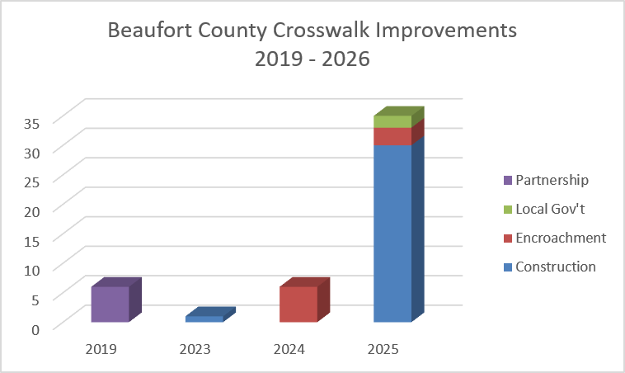
County | Intersection | Approximate Upgrade Year | # Crosswalks Installed / Upgraded | Upgrade Existing Signals to Countdown | Install New Ped Signals & Buttons | Upgrade Existing Ped Ramps | Install New Ped Ramps | Install New Crosswalks | Implementation Method
Beaufort | US 21 Bus (Boundary) & Bladen | 2019 | 2 |  | P | P |  |  | Partnership
Beaufort | US 21 & SC 170 | 2019 | 4 |  | P |  | P | P | Partnership
Beaufort | US 278 & Squire Pope Rd/Chamberlin Dr | 2023 | 1 |  | P |  | P | P | Construction
Beaufort | SC 170 & WK Alston Rd | 2024 | 4 |  | P |  | P | P | Encroachment
Beaufort | US 21 & Wrights Point Ln/Midtown Ave | 2024 | 2 |  | P |  | P | P | Encroachment
Beaufort | US 21 & Wrights Point Ln/Midtown Ave | 2025 | 1 |  | P |  | P | P | Encroachment
Beaufort | Broad River Rd & Joe Frazier Rd/Colonial Av | 2025 | 4 | P | P | P | P | P | Construction
Beaufort | SC 170 & Castle Rock Rd | 2025 | 4 |  | P |  | P | P | Construction
Beaufort | SC 128 & SC 170 | 2025 | 2 |  | P |  | P | P | Construction
Beaufort | US 21 & Mink Point Blvd | 2025 | 3 | P | P |  | P | P | Construction
Beaufort | Ribaut Rd & Duke St | 2025 | 4 | P |  | P |  |  | Construction
Beaufort | Ribaut Rd & North St | 2025 | 4 | P |  | P |  |  | Construction
Beaufort | Ribaut Rd & Reynolds St | 2025 | 4 | P | P | P |  | P | Construction
Beaufort | Ribaut Rd & Mossy Oaks Rd/Johnny Morrall C | 2025 | 4 |  | P | P | P | P | Construction
Beaufort | Ribaut Rd & Allison Rd | 2025 | 1 |  | P |  |  | P | Construction
Beaufort | US 21 & Airport Circle | 2025 | 2 |  | P |  | P | P | Encroachment
Beaufort | US 278/William Hilton Pkwy & Dillon Rd | 2025 | 2 |  |  | P | P |  | Local Gov't

