FAQ
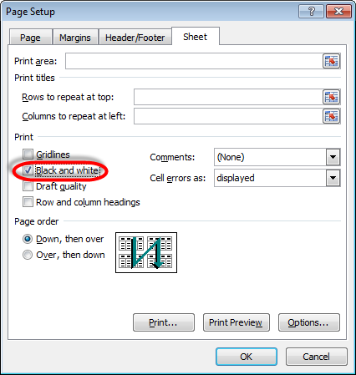
How to Turn off Orange Fill Printing, if it does:

Select Page Layout Tab
Click the bottom right corner of the Page Setup section

On the Sheet tab, check on Black and white and press OK

