General comments
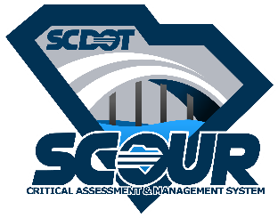
Bridge Asset ID: |  |  | 0
 |  |  |  | SCDOT Scour Critical Assessment and Management System
 |  | initial | date
Originator: |  |  |  | instructions:
 |  |  |  | 1. Populate "originator" & "review by" cells to left
Technical Review By: |  |  |  | 2. Provide comments below per instructions on the Summary Sheet.
 |  |  |  | 3. For each round of comment, add additional lines.
QC Certified for Submittal: |  |  |  | 4. When all comments are satisfied, reviewer fills in date certified for submittal

ID | QC Check and Description |  |  | Quality Control Review
 |  |  |  | Status* | QC Review Comment | Originator Response

1
2
3
4
5
6
7
8
9
10
11
12
13
14

 | *Comment Status: 1 = Comment Submitted; 2 = Unresolved; 3 = Resolved; 4 = N/A; 5 = Closed

